Dashboard
Nigerian Car Market

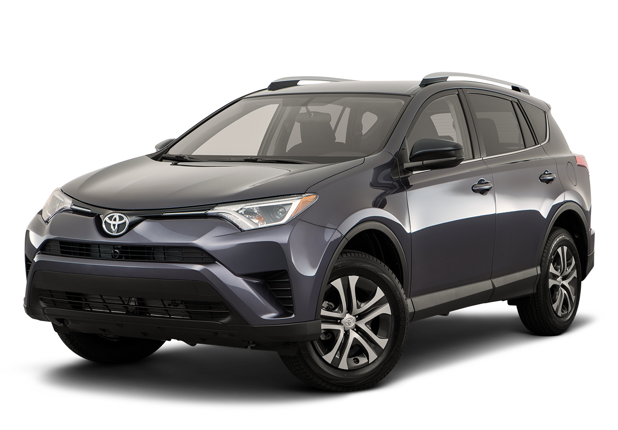
Average Vehicle Matrics Nigerian Car Market
Location Nigeria Africa Car Market

#21M
14K
132
2.2K
(hp)
(cc)
(km)
Price
Millage
Horse-Power
Engine Size

Top 10 Car Model
 | Total
Changan | 1
Dongfeng | 1
Ford | 1
GAC | 5
Kia | 1
Land Rover | 1
Suzuki | 12
Toyota | 1

 | Total
Black | 4
Blue | 3
Brown | 2
Gold | 3
Red | 1
Silver | 6
White | 4
which Color wins? Top 10 Picks for Nigerian Cars

Drivers Chioce: Automatic or Manual

 | Total
Automatic | 18
Manual | 5

Insight and Pricing, Mileage and Performance Source Car 45.com

